TestSummary
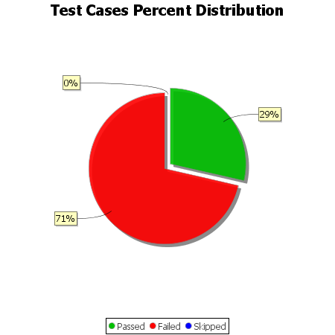
Total Test Cases | 7
Test Cases Passed | 2
Test Cases Failed | 5
Test Cases Skipped | 0

